From 2A - Design
 |  |  |  |  |  |  |  |  |  |  |  |  |  |  |  |  |  |  |  | Form 2A - Detention Pond Design Form |  |  |  |  |  |  |  |  |  |  |  |  |  | Form 2A - Detention Pond Design Form

Review Status |  |  |  |  |  |  |  |  |  |  |  |  |  |  |  |  |  |  |  |  |  |  |  |  |  |  |  |  |  |  |  | Supplemental Instructions
Reviewed: |  |  |  |  |  |  |  |  |  |  |  |  |  |  |  |  |  |  |  |  |  |  |  |  |  |  | Date:

Attachments: |  |  |  |  |  | Design Drawings |  |  |  |  |  |  | H&H Calculations |  |  |  |  |  |  |  | Drainage Basin Maps |  |  |  |  |  |  |  |  |  |  | The developer/owner shall retain the services of a professional engineer to:

Approval Status: |  |  |  |  |  | Approved |  |  |  |  |  |  | Approved Contingent |  |  |  |  |  |  |  | Denied |  |  |  |  |  | Incomplete |  |  |  |  | 1 | Complete Form 2A – Detention Pond Design Form; and,

Comments: |  |  |  |  |  |  |  |  |  |  |  |  |  |  |  |  |  |  |  |  |  |  |  |  |  |  |  |  |  |  |  | 2 | Provide ALL required attachments

Development Information |  |  |  |  |  |  |  |  |  |  |  |  |  |  |  |  |  |  |  |  |  |  |  |  |  |  |  |  |  |  |  | General design standards and requirements shall be as follows:
 |  | Name: |  |  |  |  |  |  |  |  |  |  |  |  |  |  |  |  |  |  |  |  |  |  |  | Date: |  |  |  |  |  | 1 | Stormwater management facilities cannot be constructed within the floodway;
 |  | Address: |  |  |  |  |  |  |  |  |  |  |  |  |  |  |  |  |  |  |  |  |  |  |  | BMP ID: |  |  |  |  |  | 2 | Installation of stormwater management facilities shall not adversely impact and/or cause flooding of

Attachments: |  |  |  |  | Design Drawings |  |  |  |  |  |  |  | H&H Calculations |  |  |  |  |  |  | Drainage Basin Maps |  |  |  |  |  |  |  |  |  |  |  |  | properties located upstream and/or downstream of the development;

 |  |  |  |  |  |  | Total Area: |  |  |  |  | acres |  |  |  |  |  |  |  |  |  |  |  |  |  |  |  |  |  |  |  | 3 | The calculation methodology shall utilize the National Resource Conservation Resources (NRCS) Urban
Proposed Impervious Area (PIA) |  |  |  |  |  |  |  |  |  |  |  |  |  |  |  |  |  |  |  |  |  |  | Existing Impervious Area (EIA): |  |  |  | acres |  |  |  |  |  | Hydrology for Small Watersheds Technical Release 55 (TR-55) or equivalent as approved by the City Engineer;
 |  |  |  |  |  |  | Buildings / Structures: |  |  |  |  | acres |  |  |  | Additional Impervious Area (AIA) = PIA - EIA |  |  |  |  |  |  |  |  |  |  |  |  |  |  |  | 4 | All applicable developments shall be responsible for ensuring that post-development hydrology mimics
 |  |  |  |  |  |  | Driveways / Sidewalks: |  |  |  |  | acres |  |  |  |  |  |  | AIA = | 0.00 |  |  |  | acres |  |  |  |  |  |  |  |  | pre-development hydrology for the WQ, 2-year, 5-year, 10-year, and 25-year, 24-hour rainfall depths;
 |  |  |  |  |  |  | Roads: |  |  |  |  | acres |  |  |  | Water Quality Volume (WQv): |  |  |  |  |  |  |  |  |  |  |  |  |  |  |  | 5 | The storm drainage system (i.e. piped storm sewer, overland flow, etc.) within the development shall be
 |  |  |  |  |  |  | Parking: |  |  |  |  | acres |  |  |  |  |  |  | WQv = | AIA acres X 1.20 in X 3,630 |  |  |  |  |  |  |  |  |  |  |  |  | designed to convey the discharge resulting from a 100-year, 24-hour storm event in a manner that will not
 |  |  |  |  |  |  | Other: |  |  |  |  | acres |  |  |  |  |  |  | WQv = | 0.00 |  |  |  | acres X 1.20 in X 3,630 |  |  |  |  |  |  |  |  | adversely impact and/or cause flooding of structures within the development;
 |  |  |  |  |  |  | Total PIA: | 0.00 |  |  |  | acres |  |  |  |  |  |  | WQv = | 0 |  |  |  | ft3 |  |  |  |  |  |  |  | 6 | The storm water management system shall not adversely impact and/or cause flooding of property or
Pre-Development |  |  |  |  |  |  |  |  |  |  |  |  |  |  |  |  |  |  |  |  |  |  |  |  |  |  |  |  |  |  |  |  | structures located downstream of the development;
 |  |  |  |  |  |  |  | Basin ID: |  |  |  |  |  |  |  |  |  |  |  |  |  |  |  |  |  |  |  | Pre Total |  |  |  | 7 | Filtration system for the WQv Orifice shall allow the volume of stormwater associated with the WQv to
 |  |  |  |  |  |  |  | Drainage Area (acre): |  |  |  |  |  |  |  |  |  |  |  |  |  |  |  |  |  |  |  |  |  |  |  |  | drain slowly from the detention pond within a 48-hour period;
 |  |  |  |  |  |  |  | Curve Number: |  |  |  |  |  |  |  |  |  |  |  |  |  |  |  |  |  |  |  |  |  |  |  | 8 | The principal spillway for a stormwater management facility shall be sized to convey the 25-year, 24-hour
 |  |  |  |  |  |  |  | Time of Concentration (min): |  |  |  |  |  |  |  |  |  |  |  |  |  |  |  |  |  |  |  |  |  |  |  |  | storm event without allowing any discharge from the emergency spillway;
 |  |  |  |  |  |  |  | Peak Discharge (ft3/s): |  |  |  |  |  |  |  |  |  |  |  |  |  |  |  |  |  |  |  |  |  |  |  | 9 | Each stormwater management facility shall provide for an emergency spillway designed to convey the discharge
 |  |  |  | 1.20 |  |  |  | (WQ) |  |  |  |  |  |  |  |  |  |  |  |  |  |  |  |  |  |  |  |  |  |  |  |  | resulting from a 100-year, 24-hour storm event. A minimum freeboard of 1-foot above the maximum stage
 |  |  |  | 5.70 |  |  |  | (2-yr) |  |  |  |  |  |  |  |  |  |  |  |  |  |  |  |  |  |  |  |  |  |  |  |  | anticipated in the detention pond shall be provided to prevent overtopping;
 |  |  |  | 7.21 |  |  |  | (5-yr) |  |  |  |  |  |  |  |  |  |  |  |  |  |  |  |  |  |  |  |  |  |  |  | 10 | H&H studies for stormwater management facilities shall include model network, existing drainage areas,
 |  |  |  | 8.63 |  |  |  | (10-yr) |  |  |  |  |  |  |  |  |  |  |  |  |  |  |  |  |  |  |  |  |  |  |  |  | proposed drainage areas, time of concentration, curve number, pre-development peak discharges,
 |  |  |  | 10.80 |  |  |  | (25-yr) |  |  |  |  |  |  |  |  |  |  |  |  |  |  |  |  |  |  |  |  |  |  |  |  | post-development peak discharges, outlet structure geometry, emergency spillway geometry, pond
 |  |  |  | 14.80 |  |  |  | (100-yr) |  |  |  |  |  |  |  |  |  |  |  |  |  |  |  |  |  |  |  |  |  |  |  |  | stage-area-storage summary, pond discharge summary, inflow and outflow hydrographs, and
Post-Development |  |  |  |  |  |  |  |  |  |  |  |  |  |  |  |  |  |  |  |  |  |  |  |  |  |  |  |  |  |  |  |  | outlet pipe velocities.
 |  |  |  |  |  |  |  | Basin ID: |  |  |  |  |  |  |  |  |  |  |  |  |  |  |  |  |  |  |  | Post Total |  |  |  | 11 | Rainfall depths were obtained from NOAA Atlas 14, Volume 9, Version 2.
 |  |  |  |  |  |  |  | Drainage Area (acre):
 |  |  |  |  |  |  |  | Curve Number:
 |  |  |  |  |  |  |  | Time of Concentration (min):
 |  |  |  |  |  |  |  | Peak Discharge (ft3/s):
 |  |  |  | 1.20 |  |  |  | (WQ)
 |  |  |  | 5.70 |  |  |  | (2-yr)
 |  |  |  | 7.21 |  |  |  | (5-yr)
 |  |  |  | 8.63 |  |  |  | (10-yr)
 |  |  |  | 10.80 |  |  |  | (25-yr)
 |  |  |  | 14.80 |  |  |  | (100-yr)

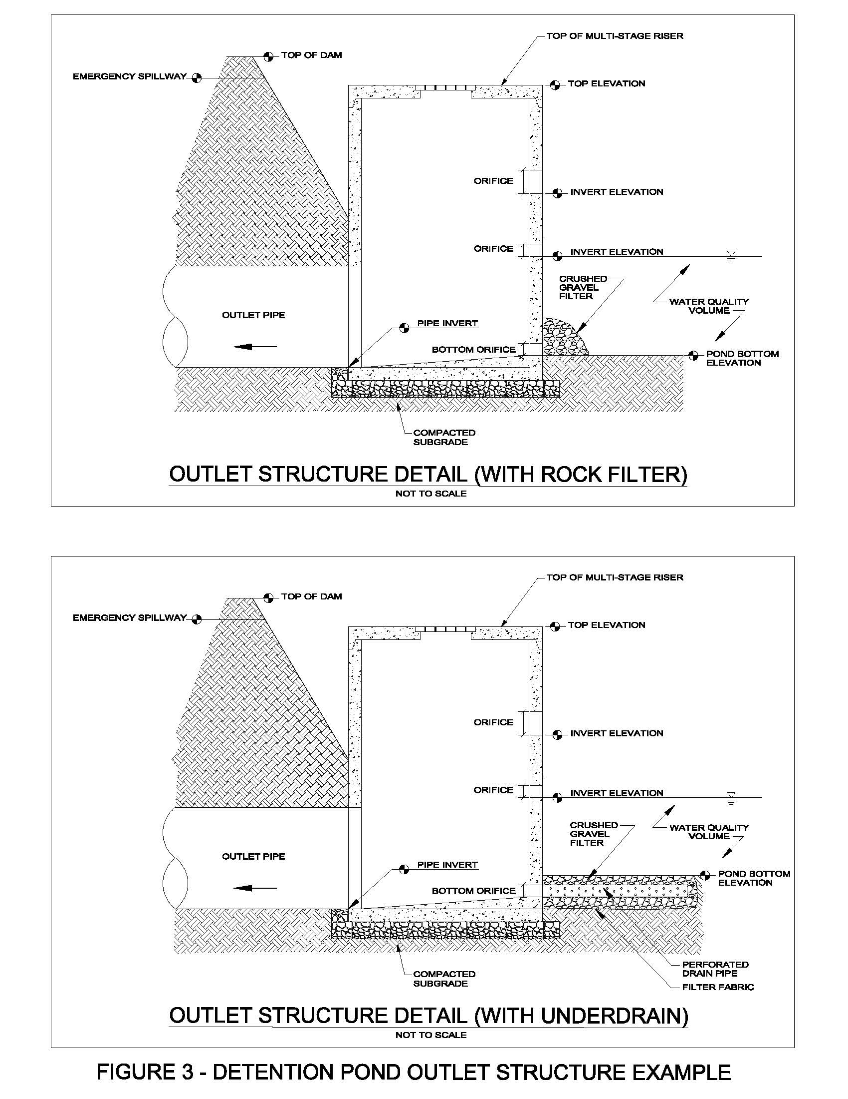
2023-04-15 |  |  |  |  |  |  |  |  |  |  |  |  |  |  | Page 1 of 3
 | Name: | 0 |  |  |  |  |  |  |  |  |  |  |  |  |  |  |  |  |  |  |  |  |  |  |  | Date: | 0
Multi-Stage Riser |  |  |  |  |  |  |  |  |  |  |  |  |  |  |  |  |  |  |  |  |  |  |  |  |  | BMP ID: | 0

 |  | Material: |  |  |  |  |  |  |  |  | Shape: |  |  |  |  |  |  |  |  |  |  |  |  |  |  |  | Detail Attached: | Yes |  |  | No
 |  | Diameter: |  |  |  | ft
 |  | Width: |  |  |  | ft |  |  |  |  | Length: |  |  | ft
 |  | Bottom EL.: |  |  |  | ft |  |  |  |  | Top EL.: |  |  | ft

 |  | Trash Rack: |  |  | Yes |  |  |  | No

 |  |  |  | Shape |  |  |  | Dia./Width/Deg |  |  |  |  | Height |  |  |  | Inv. EL
 |  | Outlet Pipe: |  |  |  |  |  |  |  | in |  |  |  | in |  |  |  |  | ft
 |  | WQv Orifice: |  |  |  |  |  |  |  | in |  |  |  | in |  |  |  |  | ft

 |  | Filter: |  |  | Yes |  |  |  | No

Select: |  |  |  |  |  |  |  |  |  | in |  |  |  | in |  |  |  |  | ft
Select: |  |  |  |  |  |  |  |  |  | in |  |  |  | in |  |  |  |  | ft
Select: |  |  |  |  |  |  |  |  |  | in |  |  |  | in |  |  |  |  | ft
Select: |  |  |  |  |  |  |  |  |  | in |  |  |  | in |  |  |  |  | ft
Select: |  |  |  |  |  |  |  |  |  | in |  |  |  | in |  |  |  |  | ft
Select: |  |  |  |  |  |  |  |  |  | in |  |  |  | in |  |  |  |  | ft
Select: |  |  |  |  |  |  |  |  |  | in |  |  |  | in |  |  |  |  | ft

Emergency Spillway |  |  |  |  |  |  |  |  |  |  |  |  |  |  |  |  |  |  |  |  |  |  |  |  |  |  | Detail Attached: | Yes |  |  | No
 |  |  | Material: |  |  |  |  |  |  |  |  | Shape:
 |  |  | Width: |  |  |  | ft |  |  |  |  | Length: |  |  | ft |  |  |  | Crest EL.: |  |  |  | ft |  |  |  | Pond Top EL.: |  |  | ft

Outfall Location |  |  |  |  |  |  |  |  |  |  |  | Latitude: |  |  |  |  |  |  | Longitude:

Pond Stage-Area-Storage Summary
 |  | Elevation |  |  |  |  | Area |  |  |  | Cumulative Vol. |  |  |  |  |  | Elevation |  |  |  |  | Area |  |  |  | Cumulative Vol.
 |  |  |  | ft |  |  |  |  | ft2 |  |  |  |  | ft3 |  |  |  |  | ft |  |  |  |  | ft2 |  |  |  |  | ft3
 |  |  |  | ft |  |  |  |  | ft2 |  |  |  |  | ft3 |  |  |  |  | ft |  |  |  |  | ft2 |  |  |  |  | ft3
 |  |  |  | ft |  |  |  |  | ft2 |  |  |  |  | ft3 |  |  |  |  | ft |  |  |  |  | ft2 |  |  |  |  | ft3
 |  |  |  | ft |  |  |  |  | ft2 |  |  |  |  | ft3 |  |  |  |  | ft |  |  |  |  | ft2 |  |  |  |  | ft3
 |  |  |  | ft |  |  |  |  | ft2 |  |  |  |  | ft3 |  |  |  |  | ft |  |  |  |  | ft2 |  |  |  |  | ft3
 |  |  |  | ft |  |  |  |  | ft2 |  |  |  |  | ft3 |  |  |  |  | ft |  |  |  |  | ft2 |  |  |  |  | ft3
 |  |  |  | ft |  |  |  |  | ft2 |  |  |  |  | ft3 |  |  |  |  | ft |  |  |  |  | ft2 |  |  |  |  | ft3
 |  |  |  | ft |  |  |  |  | ft2 |  |  |  |  | ft3 |  |  |  |  | ft |  |  |  |  | ft2 |  |  |  |  | ft3
 |  |  |  | ft |  |  |  |  | ft2 |  |  |  |  | ft3 |  |  |  |  | ft |  |  |  |  | ft2 |  |  |  |  | ft3
 |  |  |  | ft |  |  |  |  | ft2 |  |  |  |  | ft3 |  |  |  |  | ft |  |  |  |  | ft2 |  |  |  |  | ft3
 |  |  |  |  | WQv Required: | 0 |  |  | ft3 |  |  |  |  |  | WQv Provided: |  |  |  | ft3 |  |  |  |  |  | Elevation: |  |  |  | ft

2023-04-15 |  |  |  |  |  |  |  |  |  |  |  |  |  |  | Page 2 of 3
 | Name: | 0 |  |  |  |  |  |  |  |  |  |  |  |  |  |  |  |  |  |  |  |  |  |  |  | Date: | 0
 |  |  |  |  |  |  |  |  |  |  |  |  |  |  |  |  |  |  |  |  |  |  |  |  |  | BMP ID: | 0

Pond Discharge Summary |  |  |  |  |  |  |  |  |  |  | Pre Q (ft3/s) |  |  | Pond In Q (ft3/s) |  |  |  | Pond Out Q (ft3/s) |  |  |  | Max Elev. (ft) |  |  | Velocity (ft/s) |  |  | Total Post Q (ft3/s)
 |  |  |  | 1.20 |  |  |  |  | (WQ)
 |  |  |  | 5.70 |  |  |  |  | (2-yr)
 |  |  |  | 7.21 |  |  |  |  | (5-yr)
 |  |  |  | 8.63 |  |  |  |  | (10-yr)
 |  |  |  | 10.80 |  |  |  |  | (25-yr)
 |  |  |  | 14.80 |  |  |  |  | (100-yr)

Comments:

Professional Engineer Certification
By affixing my professional seal and signature on this form, I hereby certify that the detention pond:
 | • | Is designed in accordance with the latest version of the City's requirements;
 | • | Provides the required water quality volume (WQv);
 | • | Will not adversely impact and/or cause flooding of structures within the development and downstream
 |  | of the development;
 | • | Drainage areas shown in the hydrology and hydraulic (H&H) calculations drain into the detention pond; and,
 | • | Post-development runoff mimics pre-development hydrology to the maximum extent practicable (MEP).

 |  |  | Company: |  |  |  |  |  |  |  |  |  |  |  |  |  |  |  |  |  |  |  | Seal:
 |  |  | Name:
 |  |  | Address:

 |  |  | Email:
 |  |  | Phone:

 |  |  | Signature: |  |  |  |  |  |  |  |  |  |  |  |  |  |  |  |  |  |  |  | Date:

2023-04-15 |  |  |  |  |  |  |  |  |  |  |  |  |  |  | Page 3 of 3
 | Name: | 0 |  |  |  |  |  |  |  |  |  |  |  |  |  |  |  |  |  |  |  |  |  |  |  | Date: | 0
 |  |  |  |  |  |  |  |  |  |  |  |  |  |  |  |  |  |  |  |  |  |  |  |  |  | BMP ID: | 0

Automated Review Checks
 |  |  |  |  |  |  |  |  | Form Section |  | Comments
 |  |  |  |  |  |  |  |  | Pre-Development: |  | Pre Total not completed
 |  |  |  |  |  |  |  |  | Post-Development: |  | Post Total not completed
 |  |  |  |  |  |  |  |  | Emergency Spillway: |  | Emergency Spillway Section not completed
 |  |  |  |  |  |  |  |  | Emergency Spillway Freeboard: |  | Freeboard < 1.0 ft
 |  |  |  |  |  |  |  |  | Outfall Location: |  | Latitude and/or Longitude not provided
 |  |  |  |  |  |  |  |  | WQv: |  | WQv Required > WQv Provided
 |  |  |  |  |  |  |  |  | Pond Discharge Summary:
 |  |  |  |  |  |  |  |  | Max Stage: |  | Max Stage for 2, 5, 10, and/or 25-year storm > Emergency Spillway Crest Elevation
 |  |  |  |  |  |  |  |  | Velocity: |  | Velocity > 5 ft/s
 |  |  |  |  |  |  |  |  | Total Post Q: |  | Total Post Q > Pre Q
 |  |  |  |  |  |  |  |  |  |  | Total Post Q is < -0.50 ft3/s of Pre Q for the 2, 5, 10, or 25-year storm event(s)

